Specialized S-Works Crux 2025
brand | Specialized
model | S-Works Crux
model year | 2025
input date | 17-Jul-25
URL | https://www.specialized.com/us/en/s-works-crux-sram-red-xplr/p/4223480?color=5381911-4223480
material | udh | dropout | 700c width max | 650B tire max | suspension corrected | fork suspension | stem suspension | rear suspension | rear axle | front axle | q-factor | seatpost diameter | routing shifter | routing dropper | routing dynamo | front derailleur | chainring 1 | chainring 2 | bottom bracket | mounts inner | mounts under | mounts top | mounts fork | mounts fender rear | mounts fender front | mounts rack | ISO ASTM | rotor max front | rotor max rear | frameset | base build | currency | internal storage
carbon | yes | 0 | 47 | 2.1 | no | no | no | no | 142 | 100 |  |  |  |  |  | adapter |  |  |  | 2 | 1 |  |  |  |  |  |  |  |  | 4999 | 11999.99 | us | no

measure range | a10:h37
frame_size | frame_size | 49 | 52 | 54 | 56 | 58 | 61
crank_length | Crank Length | 165 | 170 | 172.5 | 172.5 | 175 | 175
handlebar_width | Handlebar Width | 380 | 400 | 420 | 420 | 440 | 440
stem_length | Stem Length | 70 | 80 | 90 | 100 | 110 | 110
saddle_width | Saddle Width | 155 | 155 | 143 | 143 | 143 | 143
seatpost_length | Seatpost Length | 300 | 300 | 300 | 360 | 360 | 360
stack | Stack | 530 | 547 | 560 | 578 | 598 | 621
reach | Reach | 375 | 382 | 388 | 397 | 405 | 415
head_tube_length | Head Tube Length | 100 | 115 | 130 | 147 | 167 | 190
head_tube_angle | Head Tube Angle | 70.5 | 71.25 | 71.5 | 72 | 72.25 | 72.5
bb_height | BB Height | 284 | 284 | 286 | 286 | 286 | 286
bottom_bracket_drop | BB Drop | 74 | 74 | 72 | 72 | 72 | 72
trail | Trail | 74 | 69 | 67 | 64 | 62 | 60
axle_crown | Fork Length, Full | 401 | 401 | 401 | 401 | 401 | 401 |  |  | Height (Cm) | Size
fork_offset_rake | Fork Rake/Offset | 50 | 50 | 50 | 50 | 50 | 50 |  |  | 155-158 | 49
front_center | Front Center | 594 | 600 | 608 | 618 | 630 | 644 |  |  | 163-168 | 52
chainstay_length | Chainstay Length | 425 | 425 | 425 | 425 | 425 | 425 |  |  | 168-175 | 54
wheelbase | Wheelbase | 1008 | 1014 | 1023 | 1033 | 1045 | 1059 |  |  | 175-183 | 56
top_tube_effective_length | Top Tube Length, Horizontal | 512 | 539 | 549 | 568 | 582 | 599 |  |  | 183-191 | 58
standover | Bike Standover Height | 749 | 772 | 794 | 816 | 841 | 866 |  |  | 191-198 | 61
seat_tube_length | Seat Tube Length | 466 | 496 | 521 | 546 | 576 | 606
seat_tube_angle | Seat Tube Angle | 75.5 | 74 | 74 | 73.5 | 73.5 | 73.5
frame weight |  |  |  |  | 725
wheel_size |  | 700 | 700 | 700 | 700 | 700 | 700
tire_width_spec |  | 38 | 38 | 38 | 38 | 38 | 38
tire_width_max |  | 47 | 47 | 47 | 47 | 47 | 47
rider_min |  | 155 | 160.5 | 168 | 175 | 183 | 191
rider_max |  | 160.5 | 168 | 175 | 183 | 191 | 200
 |  | 155 | 163 | 168 | 175 | 183 | 191
 |  | 158 | 168 | 175 | 183 | 191 | 200

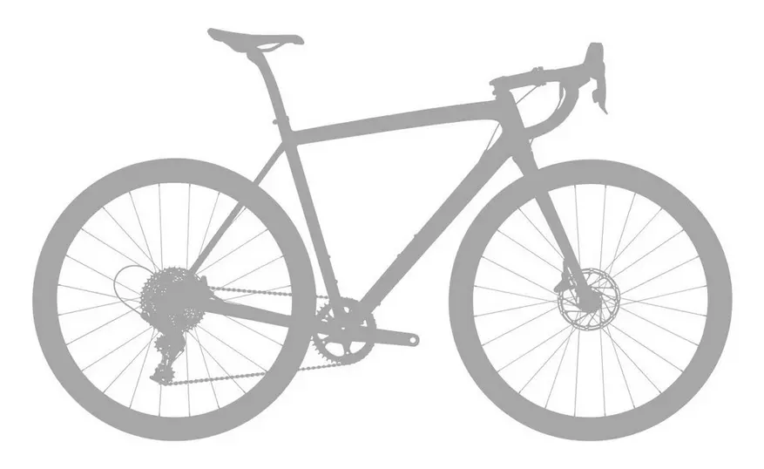

Notes
1. An adapter plate for a front derailleur can be purchased

